Instructions
Census Tract - Address Crosswalk
The Census Tract - Address Crosswalk, developed by HVRC using data from the U.S. Census Bureau and StatsAmerica, is a tool that can be used to locate a project’s census tract. Knowing the census tract will allow you to determine if the tract has been designated as distressed, as shown on the maps titled 2023 U.S. DOC EDA Distress Criteria.
Link: | https://hudsonvalleyregionalcouncil.org/data-maps/

U.S. Census Bureau Geocoder Tool
The U.S. Census Bureau Geocoder Tool enables the look up of census tract name by address. Instructions on how to use the tool, for this purpose, are listed below.
Link: | https://geocoding.geo.census.gov/geocoder/geographies/address?form

Step 1:
Following the link above will bring you to a page with the Input Box shown below. Enter the address of your project and change the boxes labeled "Benchmark" and "Vintage" to the "Census2020" option circled below. Then, click "Get Results".
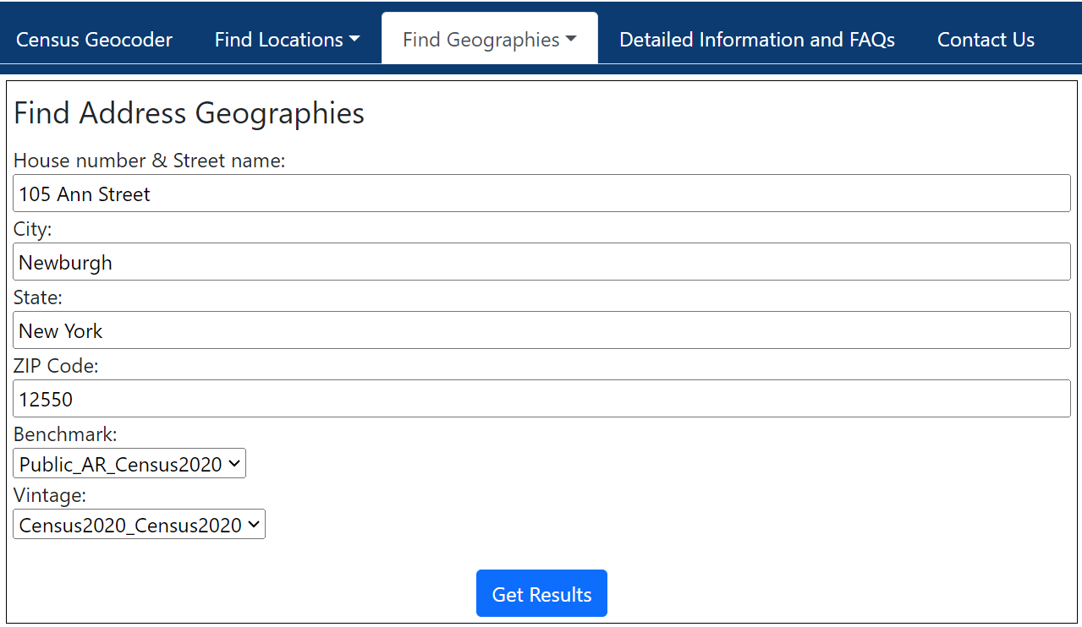

Step 2:
Information about your address will load in a long list. The list will appear below the Input Box (shown above). To locate the census tract name for your address, scroll down to the second to last section labeled "Census Tracts". The infromation listed under the "Census Tracts" heading is shown in the figure below. The census tract number is under the "Name" catagory and is noted in red below.

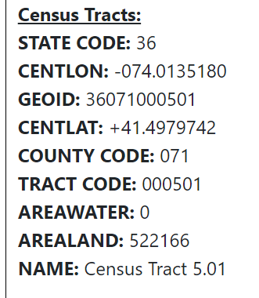

Step 3:
Once you have the census tract number, you can return to this spreadsheet and navigate to the tab for the county in which your project is located. In this example, we used Orange County. This is highlighted in red below.

Step 4:
Each county tab has information employment distress and income distress for each census tract. Navigate to the census tract name you looked up from the U.S. Census Bureau Geocoder Tool for the information. For example, Census Tract 5.01 in Orange County is cicle in red below.
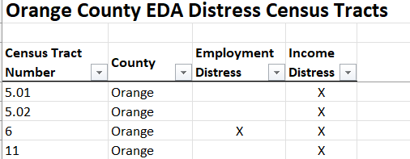

Step 5:
Based on the information provide in the Orange County tab, Census Tract 5.01 is income distressed, but not employment distressed.

